Evidences
TC-1
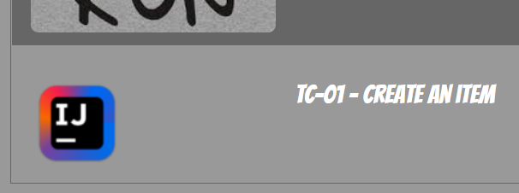

TC-2
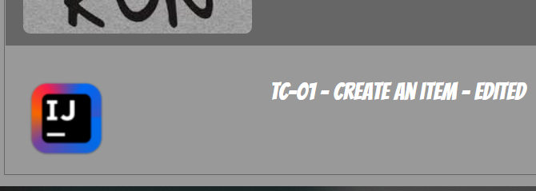

TC-3
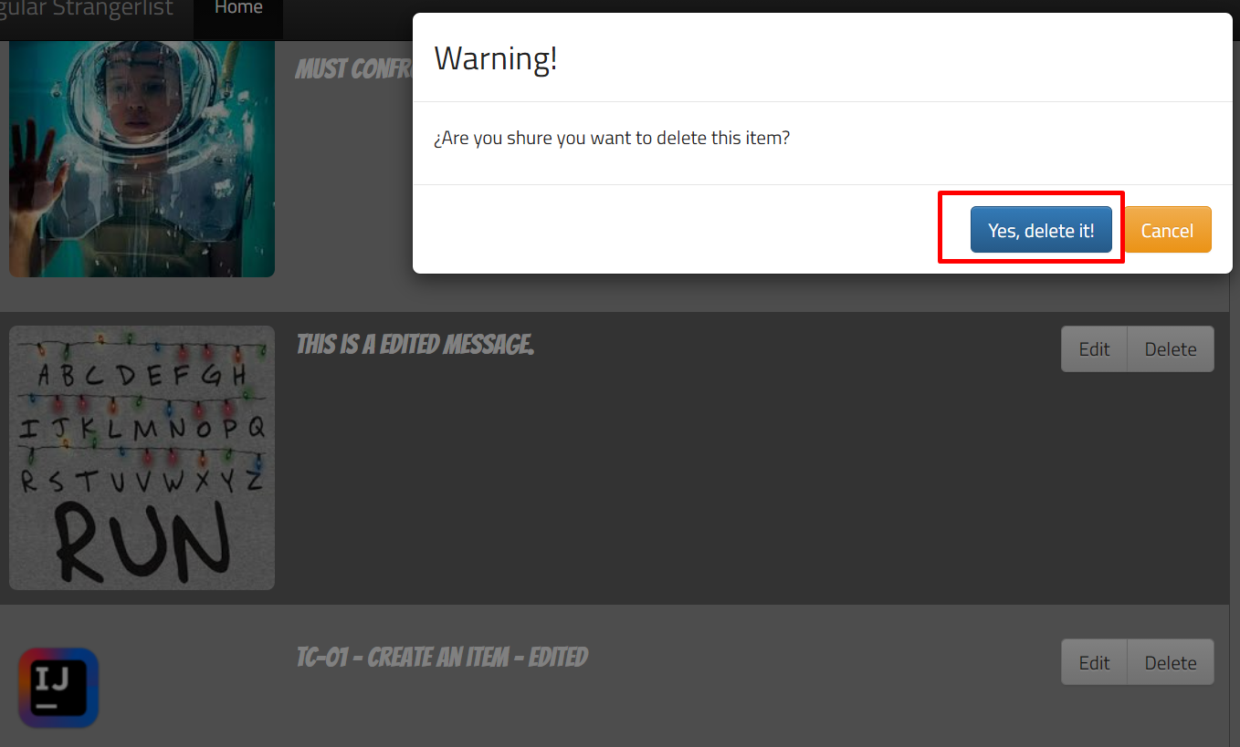
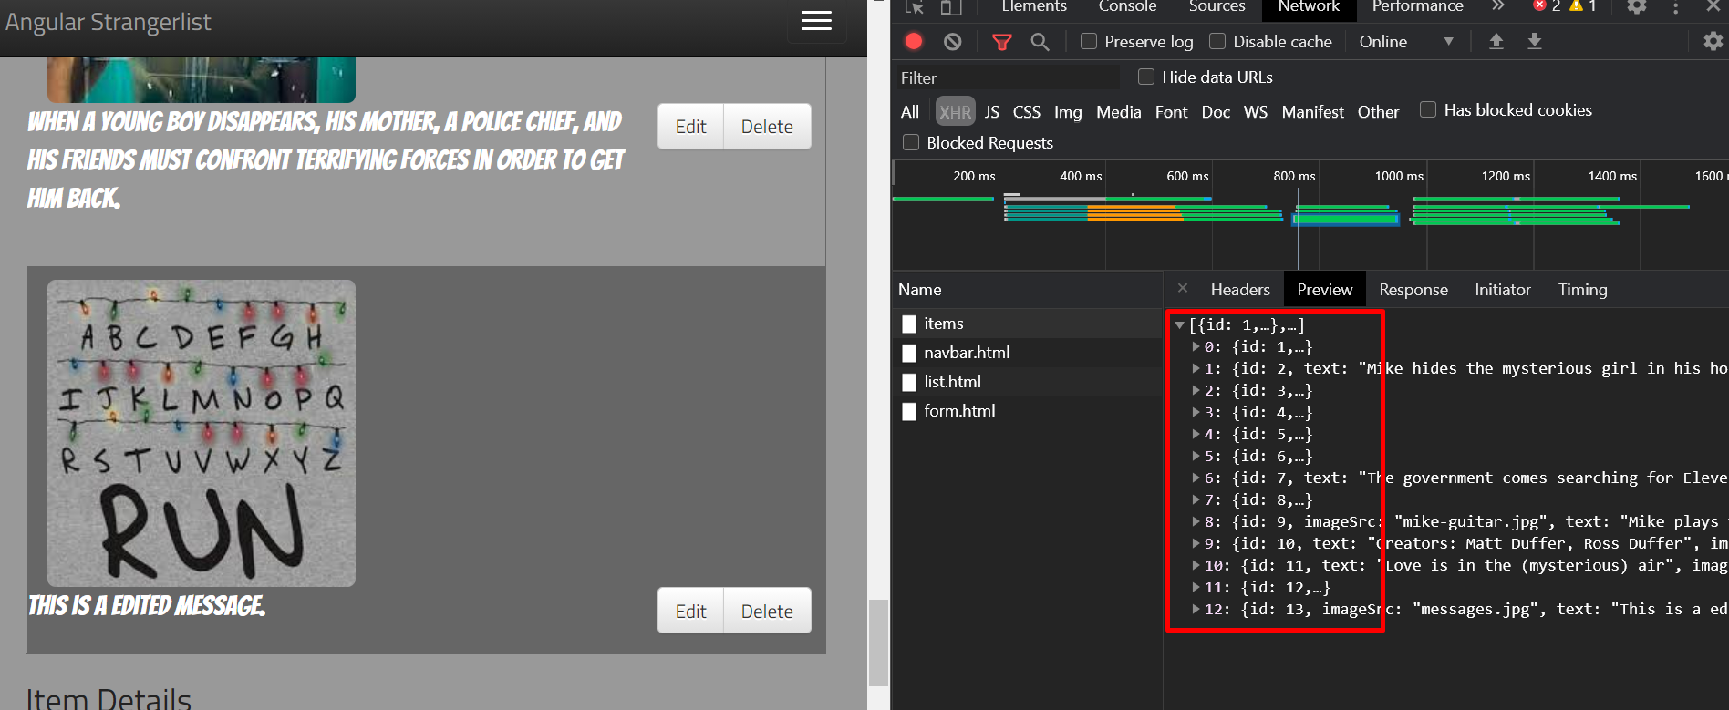

TC-4

TC-5
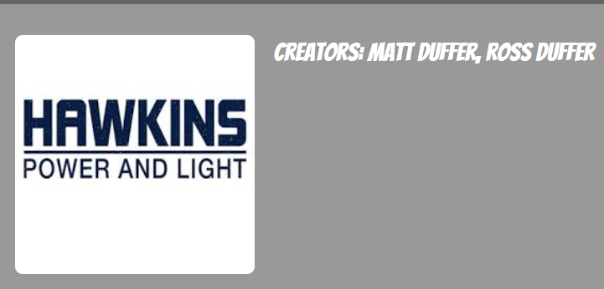

TC-6
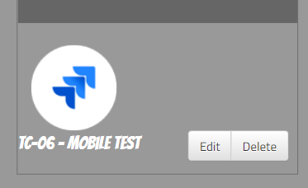

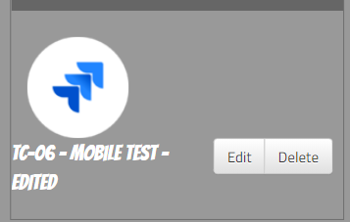
TC-7

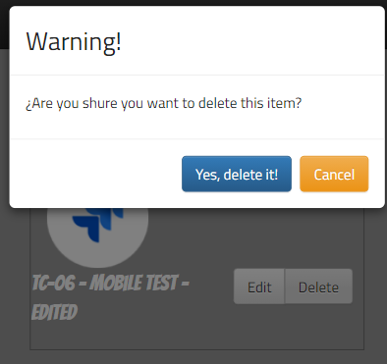
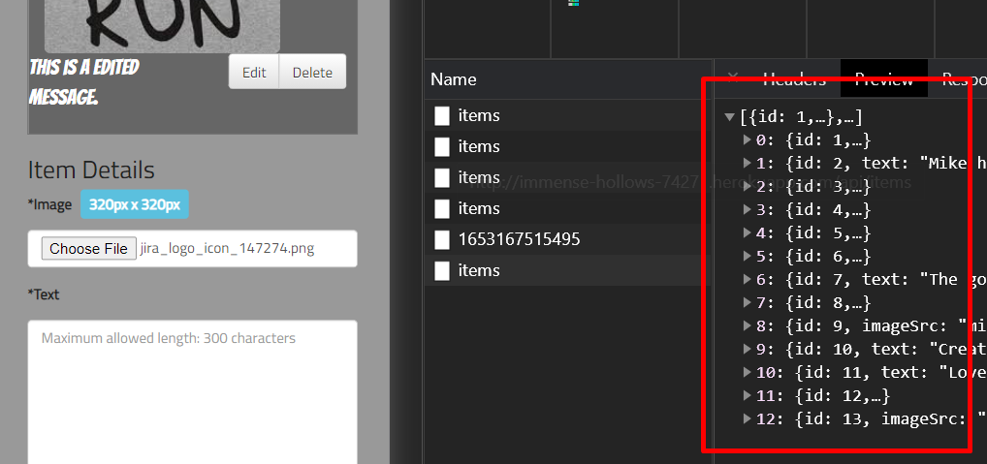
TC-8

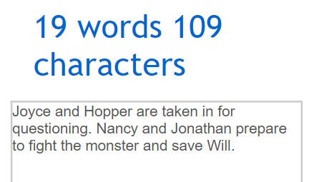
TC-9

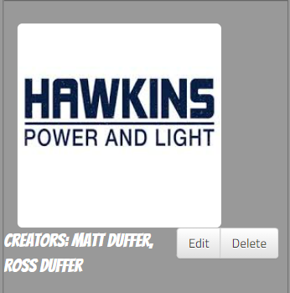
TC-10

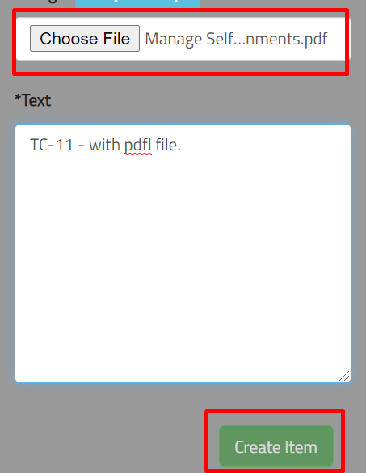
TC-11

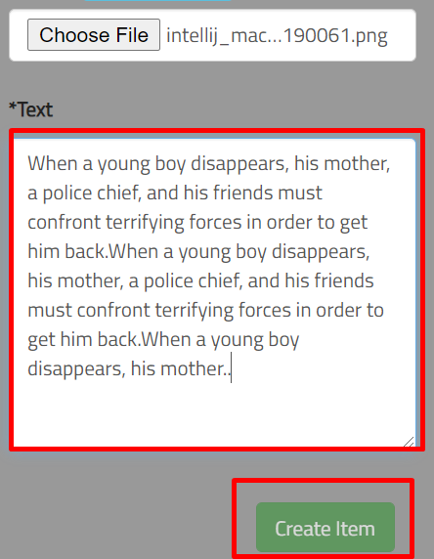
TC-12

TC-13
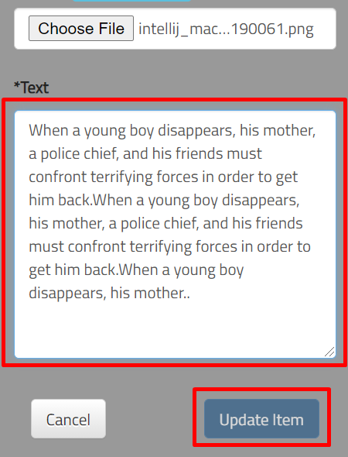

TC-14
* This test failed because when I created an item, my image that I selected continued staying here and should be restarted.
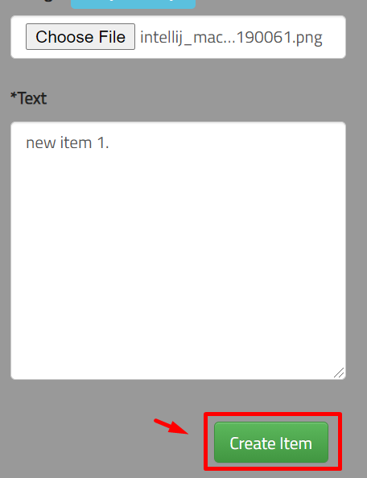
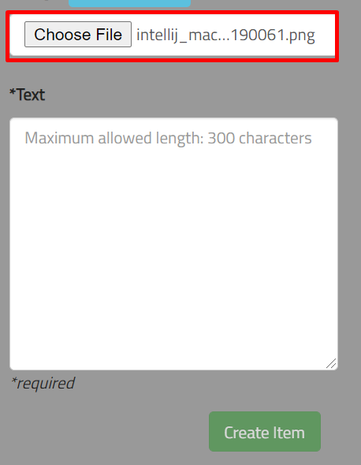

Expected result: that when I created an item, the input of the file should be restarted and show the placeholder ‘No file chosen’.

TC-15
*This test failed because when I edit an item and I wrote more than 300 characters and I canceled it, the text continues to visualize in the text area.

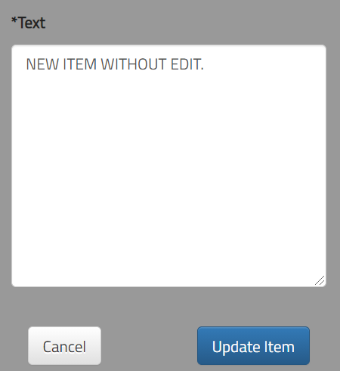
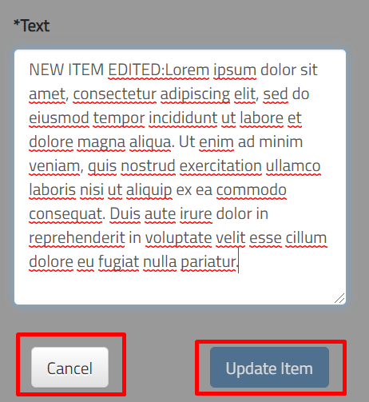
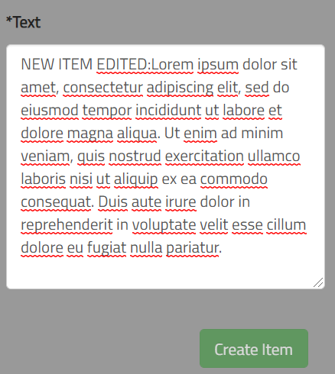

Expected result: the text area should restart and I should see only the placeholder.

TC-16
*This test failed because when the modal is open, I should only delete items, I mean that only the 2 buttons ('Yes, delete it!' and 'Cancel') should be available at that moment. Nevertheless I can edit, create, delete another item.

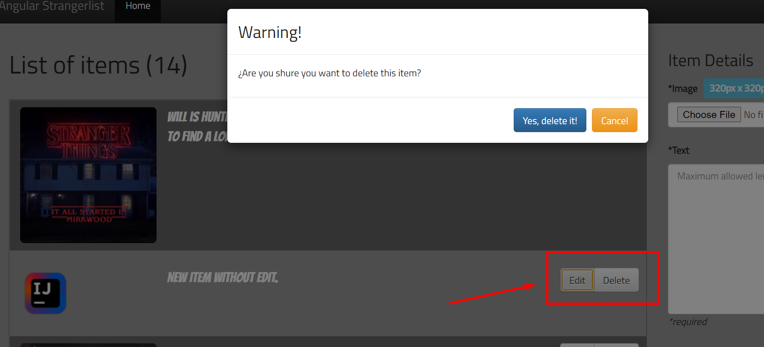

Expected result: when I open the modal, the only actions that should be available should be the 2 buttons: 'Yes, delete it!' and 'Cancel'.

